Sheet1
Description | Units | Image
Wide Leg Denim Jeans | 91 | 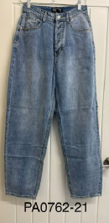
White Denim Jeans | 271 | 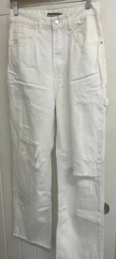
Denim Shorts | 869 | 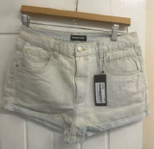
Cheque Denim Jacket | 102 | 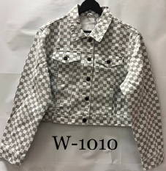
Cheque Denim Skirt | 521 | 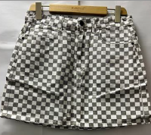
Red & Green Trousers | 10 | 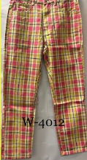
White Denim Skirt Dungarees | 308 | 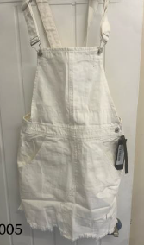
New Look Cropped Blazer | 619 | 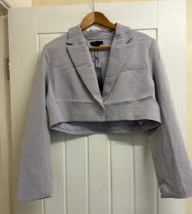
New Look Trousers | 1,262 | 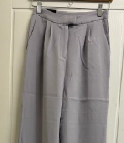
Black Denim Skirt | 189 | 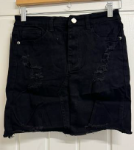
Pink Denim Skirt | 74 | 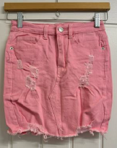
Charcoal Jean with Side Pockets | 83 | 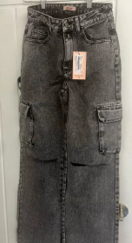
Ripped Denim Skinny Jeans | 484 | 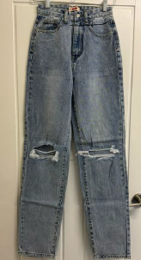
Denim Skinny Jeans | 1147 | 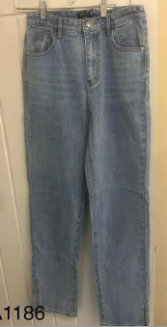
Extreme Distressed Ripped Shorts | 288 | 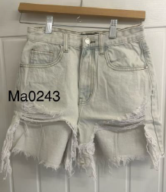
Black Faux Leather Jeans | 2798 | 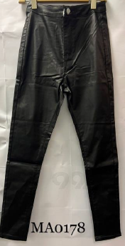
Denim & White Jacket | 8 | 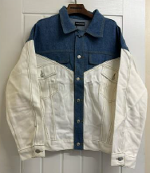
Black with white striped 3/4 length Jeans | 22 | 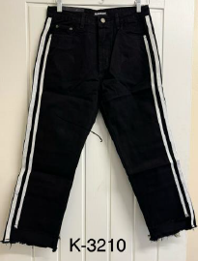
Charocal Acid Wash 3/4 Length Jeans | 35 | 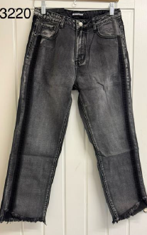
Cropped Black & White Jacket | 19 | 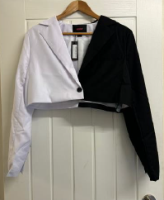
Denim Jacket with Pockets | 97 | 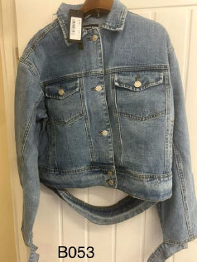
Extreme Distressed Denim Ripped Shorts | 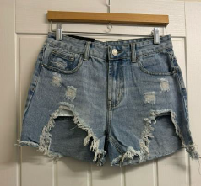 324
Straight Leg Ripped Jeans | 41 | 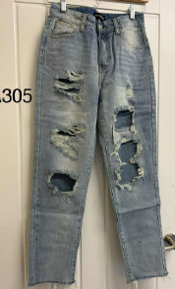
Black 3/4 Length Trousers | 73 | 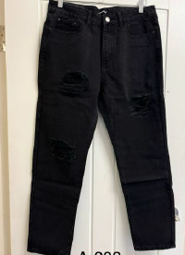
Skinny Denim Jeans | 97 | 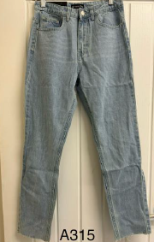
Extreme Ripped Denim Wide Leg Trousers | 97 | 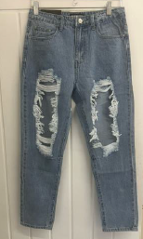
New Look Blue Flaired Jeggings | 888 | 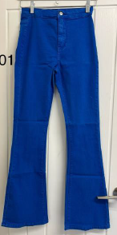
Wet Look Tie up Ankle Jeans | 52 | 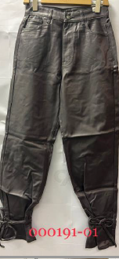
Black Jeggings | 47 | 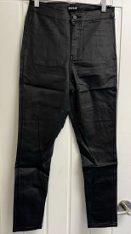
 | 10916

